CRANKSHAFT
PT SAPTAINDRA SEJATI
PLANT REBUILD CENTER

CRANK SHAFT INSPECTION AND MEASUREMENT
(AFTER REPAIR) CHECKSHEET

WO NUMBER |  |  |  |  |  |  | PART NAME |  |  |  | CRANKSHAFT |  |  |  | DOCUMENT NO. |  |  |  | QR08-INS-011-03
ENGINE MODEL |  |  | 6D170E-3/-5 |  |  |  | PART NUMBER |  |  |  |  |  |  |  | PUBL. DATE |  |  |  | 01/04/2009
ENGINE S/N |  |  |  |  |  |  | START DATE / TIME |  |  |  |  |  |  |  | REVISION NO. |  |  |  | 00
MACHINE MODEL |  |  |  |  |  |  | FINISH DATE / TIME |  |  |  |  |  |  |  | PAGE |  |  |  | 1 of 1

Pin Journal
Main Journal
1
2
4
3
SKETCH DRAWING |  |  |  |  |  |  |  |  | Standard size |  |  |  |  |  |  |  |  |  |  |  |  | Unit : mm
 |  |  |  |  |  |  |  |  | SIZE |  |  | MAIN JOURNAL |  |  |  |  |  | PIN JOURNAL
 |  |  |  |  |  |  |  |  |  |  |  | STD SIZE |  |  | REPAIR LIMIT |  |  | STD SIZE |  |  | REPAIR LIMIT
 |  |  |  |  |  |  |  |  | STANDARD |  |  | 140.000 ~ 139.975 |  |  | 139.91 |  |  | 108.000 ~ 107.978 |  |  | 107.91
 |  |  |  |  |  |  |  |  | Under Size 0.25 |  |  | 139.750 ~ 139.725 |  |  | 139.66 |  |  | 107.750 ~ 107.728 |  |  | 107.66
 |  |  |  |  |  |  |  |  | Under Size 0.50 |  |  | 139.500 ~ 139.475 |  |  | 139.41 |  |  | 107.500 ~ 107.478 |  |  | 107.41
 |  |  |  |  |  |  |  |  | ROUNDNESS |  |  | 0 ~ 0.010 |  |  | 0 ~ 0.015 |  |  | 0 ~ 0.010 |  |  | 0 ~ 0.015
 |  |  |  |  |  |  |  |  | STRAIGHTNESS |  |  |  |  |  | MAXIMUM = 0.15 (TIR)
 |  |  |  |  |  |  |  |  | STANDARD OF FILLET RADIUS
 |  |  |  |  |  |  |  |  | PROCESS |  |  |  | START |  |  |  | FINISH |  |  | MAN HOURS
 |  |  |  |  |  |  |  |  | Washing / Cleaning
 |  |  |  |  |  |  |  |  | Measuring Process
 |  |  |  |  |  |  |  |  | TOTAL
Physical Data
No. | Part Number | Part Name |  |  | Qty | Good | No Good |  | VISUAL CHECK |  |  |  |  |  |  |  | OK |  |  | Not OK
1 |  | Crankshaft |  |  | 1 |  |  |  | Crack, Scratch, Wear Has been checked
2 |  | Gear |  |  | 1 |  |  |  | FILLET RADIUS |  |  |  | MAIN JOUR |  | PIN JOUR
3 |  | Key |  |  | 1 |  |  |  |  |  |  |  | 60. ~ 6.5 |  | 6.0 ~ 6.5
4 |  | Dowel Pin |  |  | 1

INSPECTION AND MEASUREMENT BY QA & MECHANIC DIS-ASSEMBLY
CRITICAL INSPECTION |  |  |  | RANDOM INSPECTION |  |  |  | ROUNDNESS |  | CRITICAL INSPECTION FILLET RADIUS |  |  |  |  | RANDOM INSPECTION |  |  |  |  | REMARK
 |  |  |  | CHECK POINT |  |  |  |  |  |  |  |  |  |  | CHECK POINT
 |  |  |  | X - X | Y - Y |  |  | X - Y |  |  |  |  |  |  | ACTUAL MEASUREMENT
MAIN JOURNAL |  | 1 |  |  |  |  |  |  |  | MAIN JOURNAL |  |  |  | 1
 |  | 2 |  |  |  |  |  |  |  |  |  |  |  | 2
 |  | 3 |  |  |  |  |  |  |  |  |  |  |  | 3
 |  | 4 |  |  |  |  |  |  |  |  |  |  |  | 4
 |  | 5 |  |  |  |  |  |  |  |  |  |  |  | 5
 |  | 6 |  |  |  |  |  |  |  |  |  |  |  | 6
 |  | 7 |  |  |  |  |  |  |  |  |  |  |  | 7
PIN JOURNAL |  | 1 |  |  |  |  |  |  |  | PIN JOURNAL |  |  |  | 1
 |  | 2 |  |  |  |  |  |  |  |  |  |  |  | 2
 |  | 3 |  |  |  |  |  |  |  |  |  |  |  | 3
 |  | 4 |  |  |  |  |  |  |  |  |  |  |  | 4
 |  | 5 |  |  |  |  |  |  |  |  |  |  |  | 5
 |  | 6 |  |  |  |  |  |  |  |  |  |  |  | 6

 |  |  |  |  |  |  |  |  |  |  |  |  | RECEIVING INSPECTION BY QA
 |  |  |  |  |  |  |  |  |  |  |  |  | RECEIVING DATE |  |  |  |  | :
 |  |  |  |  |  |  |  |  |  |  |  |  | INSPECTOR NAME |  |  |  |  | :
 |  |  |  |  |  |  |  |  |  |  |  |  | SIGN |  |  | :

CAMSHAFT
PT SAPTAINDRA SEJATI
PLANT REBUILD CENTER

CAMSHAFT INSPECTION PROCESS
AND MEASUREMENT CHECK SHEET

JOB NUMBER |  |  |  |  |  | PART NAME |  |  |  |  | CAMSHAFT |  |  | EXS UNIT CODE
ENGINE MODEL |  | 6D170-5 |  |  |  | PART NUMBER |  |  |  |  |  |  |  | PUBL. DATE |  |  |  | 16-Apr-10
ENGINE S/N |  |  |  |  |  | START DATE/TIME |  |  |  |  |  |  |  | REVISION NO. |  |  |  | 00
MACHINE MODEL |  |  |  |  |  | FINISH DATE/TIME |  |  |  |  |  |  |  | PAGE |  |  |  | 1 of 1

MACHINIST NAME

MAN HOURS UTILIZATION
 |  |  | START |  |  | FINISH |  |  | MAN HOURS
Machining Process
Measuring Process
TOTAL
 |  |  |  |  |  |  |  |  |  |  |  |  |  |  |  |  |  |  |  |  | Unit : mm
STANDARD |  |  |  |  | REPAIR LIMIT |  | No |  |  | CAMSHAFT JOURNAL |  |  |  | CAM LUBE INTAKE |  |  |  |  | CAM LUBE EXHAUST
 |  |  |  |  |  |  |  |  |  | MAC |  | QA | SPV | MAC | QA |  | SPV |  | MAC | QA |  | SPV
6D170-5 | Intake | = 78,130~78,336 |  |  | 78.00 |  | 1 |  | X
 | Exhaust | = 77,149~77,358 |  |  | 77.00 |  |  |  | Y
 | Cam Journal | = 89,965~89,995 |  |  | 89.98 |  | 2 |  | X
 |  |  |  |  |  |  |  |  | Y
6D125-2 | Intake | = 52.395 ~ 52.195 |  |  | 51.73 |  | 3 |  | X
 | Exhaust | = 52.395 ~ 52.195 |  |  |  |  |  |  | Y
 | Cam Journal | = 59.890 ~ 59.920 |  |  |  |  | 4 |  | X
 |  |  |  |  |  |  |  |  | Y
6D170-3 | Intake | = 91.240 ~ 91.040 |  |  | 89.20 |  | 5 |  | X
 | Exhaust | = 90.268 ~ 90.068 |  |  | 88.80 |  |  |  | Y
 | Cam Journal | = 104.958 ~ 104.928 |  |  | 104.88 |  | 6 |  | X
 |  |  |  |  |  |  |  |  | Y
12V140 | Intake | = 55.58 ~ 55.38 |  |  | 55.08 |  | 7 |  | X
 | Exhaust | = 55.65 ~ 55.85 |  |  | 55.35 |  |  |  | Y
 | Cam Journal | = 64.984 ~ 64.964

DESCRIPTION |  |  |  | OK | Not OK

CRACK HAS BEEN CHECK

MECHANIC INSPECTION COMMENT :

 | INSPECTION BY : |  |  |  |  |  |  | INSPECTION & APPROVED BY :

 | MECHANIC(MECH) |  |  |  |  |  |  | QUALITY ASSURANCE (QA) |  |  |  |  |  |  |  | PROD.SVP/GL

CON ROD
 |  |  |  |  |  |  |  |  |  |  |  |  | CONNECTING ROD SALVAGING PROCESS AND
 |  |  |  |  |  |  |  |  |  |  |  |  | INSPECTION CHECKSHEET

JOB NUMBER |  |  |  |  |  |  |  |  |  | PART NAME |  |  |  | CONNECTING ROD |  |  |  |  |  | DOCUMENT NO. |  |  |  |  | QR06-SAL-009-03
ENGINE MODEL |  |  |  |  | 6D170E - 5 Series |  |  |  |  | PART NUMBER |  |  |  |  |  |  |  |  |  | PUBL. DATE |  |  |  |  | 02/03/2009
ENGINE S/N |  |  |  |  |  |  |  |  |  | START DATE / TIME |  |  |  |  |  |  |  |  |  | REVISION NO. |  |  |  |  | 04
MACHINE MODEL |  |  |  |  |  |  |  |  |  | FINISH DATE / TIME |  |  |  |  |  |  |  |  |  | PAGE

SKETCH DRAWING |  |  |  |  |  |  |  |  |  |  | MACHANIST NAME

 |  |  |  |  |  |  |  |  |  |  | Standard size |  |  |  |  |  |  |  |  |  |  |  |  |  |  |  | Unit : mm
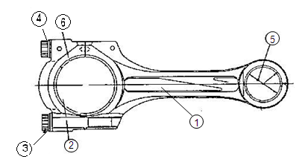
 |  |  |  |  |  |  |  |  |  |  | ENGINE MODEL |  |  | TIGHTENING BOLT STEP PROCESS WITHOUT BEARING (METAL) |  |  |  | DIAMETER SMALL END WITHOUT BEARING |  |  |  |  | DIAMETER SMALL END WITH BEARING |  |  |  | REPAIR LIMIT

 |  |  |  |  |  |  |  |  |  |  |  |  |  | KGM + ANGLE / °
 |  |  |  |  |  |  |  |  |  |  | 6D140 - 3 |  |  | 12.5 ~ 13.5 + 90 °~120 ° |  |  |  | 57.400 ~ 57.430 |  |  |  |  | 52.030 ~ 52.049 |  |  |  | 52.09
 |  |  |  |  |  |  |  |  |  |  | 6D170 - 5 |  |  | 19.0 ~ 21.0 + 90 °~105 ° |  |  |  | 75.000 ~ 75.030 |  |  |  |  | 68.010 ~ 68.049 |  |  |  | -
 |  |  |  |  |  |  |  |  |  |  | 12V140-1,2 |  |  | 7.0 ~ 8.0 + 90 °~120 ° |  |  |  | 57.400 ~ 57.449 |  |  |  |  | 52.030 ~ 52.049 |  |  |  | 52.09

 |  |  |  |  |  |  |  |  |  |  | ENGINE MODEL |  |  | DIAMETER BIG END WITHOUT BEARING |  |  |  | BEND ( a ) |  |  |  |  | TWIST ( b ) |  |  |  | DISTANCE BETWEEN HOLE

 |  |  |  |  |  |  |  |  |  |  | 6D140 - 3 |  |  | 94.992 ~ 95.042 |  |  |  | RL 0.25 |  |  |  |  | RL 0.35 |  |  |  | 264
 |  |  |  |  |  |  |  |  |  |  | 6D170 - 5 |  |  | 115.000 ~ 115.026 |  |  |  |  | RL 0.10 |  |  |  | RL 0.25 |  |  |  | 305
Physical Data |  |  |  |  |  |  |  |  |  |  | 12V140-1,2 |  |  | 105.996 ~ 106.026 |  |  |  |  | RL 0.15 |  |  |  | RL 0.30 |  |  |  | 305

No. | Part Number |  |  | Part Name |  |  | Qty | New |  | Reuse | VISUAL CHECK |  |  |  |  |  |  |  |  | OK |  |  |  |  |  | NOT
1 |  |  |  | Connecting rod |  |  |  |  |  |  | CRACK HAS BEEN CHECKED
2 |  |  |  | Connecting rod cap
3 |  |  |  | Connecting rod bolt |  |  |  |  |  |  | MANHOURS UTILIZATION
4 |  |  |  | Washer |  |  |  |  |  |  |  |  |  |  | START |  |  |  |  | FINISH |  |  |  |  |  | MAN HOURS
5 |  |  |  | Small end bushing |  |  |  |  |  |  | Machining Process
6 |  |  |  | Crank pin Metal |  |  |  |  |  |  | Measuring Process
 |  |  |  |  |  |  |  |  |  |  | TOTAL
BIG END BEFORE SALVAGING PROCESS (NEW BEARING)
CON-ROD NO. |  |  | TIGHTENING BOLTS |  |  |  | CHECK POINT |  | Ø BIG END WITHOUT BEARING
 |  |  |  |  |  |  |  |  | X - X' |  |  |  |  |  | Y - Y' |  |  |  |  |  |  |  |  | Z - Z'
 |  |  |  |  |  |  |  |  | MAC |  | QA |  | SPV |  | MAC |  | QA |  |  |  | SPV |  |  | MAC |  | QA |  |  | SPV
1 |  |  |  |  |  |  | A
2 |  |  |  |  |  |  | A
3 |  |  |  |  |  |  | A
4 |  |  |  |  |  |  | A
5 |  |  |  |  |  |  | A
6 |  |  |  |  |  |  | A
SMALL END BEFORE SALVAGING PROCESS (NEW BEARING)
CON-ROD NO. |  |  | TIGHTENING BOLTS |  |  |  | CHECK POINT |  | Ø SMALL END WITHOUT BEARING
 |  |  |  |  |  |  |  |  | X - X' |  |  |  |  |  |  |  |  |  | Y - Y'
 |  |  |  |  |  |  |  |  | MAC |  |  | QA |  |  | SPV |  |  |  | MAC |  |  |  |  | QA |  |  |  | SPV
1 |  |  |  |  |  |  | A
2 |  |  |  |  |  |  | A
3 |  |  |  |  |  |  | A
4 |  |  |  |  |  |  | A
5 |  |  |  |  |  |  | A
6 |  |  |  |  |  |  | A
SMALL END BEFORE SALVAGING PROCESS (NEW BEARING)
CON-ROD NO. |  |  | CHECK POINT |  |  | Ø SMALL END WITH BEARING
 |  |  |  |  |  | X - X' |  |  |  |  |  |  |  |  |  | Y - Y'
 |  |  |  |  |  | MAC |  |  | QA |  |  | SPV |  |  |  | MAC |  |  |  |  |  | QA |  |  |  |  | SPV
1 |  |  | A
2 |  |  | A
3 |  |  | A
4 |  |  | A
5 |  |  | A
6 |  |  | A

BIG END AFTER SALVAGING PROCESS (NEW BEARING)
CON-ROD NO. |  |  | TIGHTENING BOLTS |  |  |  | CHECK POINT |  | Ø BIG END WITHOUT BEARING
 |  |  |  |  |  |  |  |  | X - X' |  |  |  |  |  | Y - Y' |  |  |  |  |  |  |  |  | Z - Z'
 |  |  |  |  |  |  |  |  | MEC |  | QA |  | SPV |  | MEC |  | QA |  |  |  | SPV |  |  | MEC |  | QA |  |  | SPV
1 |  |  |  |  |  |  | A
 |  |  |  |  |  |  | B
2 |  |  |  |  |  |  | A
 |  |  |  |  |  |  | B
3 |  |  |  |  |  |  | A
 |  |  |  |  |  |  | B
4 |  |  |  |  |  |  | A
 |  |  |  |  |  |  | B
5 |  |  |  |  |  |  | A
 |  |  |  |  |  |  | B
6 |  |  |  |  |  |  | A
 |  |  |  |  |  |  | B
SMALL END AFTER SALVAGE PROCESS (NEW BEARING)
CON-ROD NO. |  |  | TIGHTENING BOLTS |  |  |  | CHECK POINT |  | Ø SMALL END WITHOUT BEARING
 |  |  |  |  |  |  |  |  | X - X' |  |  |  |  |  |  |  |  |  | Y - Y'
 |  |  |  |  |  |  |  |  | MAC |  |  | QA |  |  | SPV |  |  |  | MAC |  |  |  |  | QA |  |  |  | SPV
1 |  |  |  |  |  |  | A
 |  |  |  |  |  |  | B
2 |  |  |  |  |  |  | A
 |  |  |  |  |  |  | B
3 |  |  |  |  |  |  | A
 |  |  |  |  |  |  | B
4 |  |  |  |  |  |  | A
 |  |  |  |  |  |  | B
5 |  |  |  |  |  |  | A
 |  |  |  |  |  |  | B
6 |  |  |  |  |  |  | A
 |  |  |  |  |  |  | B
SMALL END AFTER SALVAGE PROCESS BY OPERATOR
CON-ROD NO. |  |  | CHECK POINT |  |  | Ø SMALL END WITH BEARING
 |  |  |  |  |  | X - X' |  |  |  |  |  |  |  |  |  | Y - Y'
 |  |  |  |  |  | MAC |  |  | QA |  |  | SPV |  |  |  | MAC |  |  |  |  |  | QA |  |  |  |  | SPV
1 |  |  | A
 |  |  | B
2 |  |  | A
 |  |  | B
3 |  |  | A
 |  |  | B
4 |  |  | A
 |  |  | B
5 |  |  | A
 |  |  | B
6 |  |  | A
 |  |  | B
CON ROD BENDING
CON-ROD NO. |  |  | BEND |  |  |  | TWIST |  |  |  |  |  | BEND AND TWIST |  |  |  |  |  | Distance between hole |  |  |  |  |  | x | 1 Reading
 |  |  | Indicator |  |  | Actual | Indicator |  |  | Actual |  |  | Measure with formula : |  |  |  |  |  | Width seat metal
 |  |  | Reading |  |  | Bending | Reading |  |  | Twist
1
2
3
4
5
6

INSPECTION RESULT :

 |  | INSPECTION BY : |  |  |  |  |  |  |  |  |  |  |  |  | INSPECTION & APPROVAL BY :

 | MACHINIST (MAC) |  |  |  |  |  |  |  |  |  |  | QUALITY ASSURANCE (QA) |  |  |  |  |  |  |  |  |  | PROD. SUPERVISOR (SPV)

CYL BLOCK
PT SAPTAINDRA SEJATI
NAROGONG REBUILD CENTER
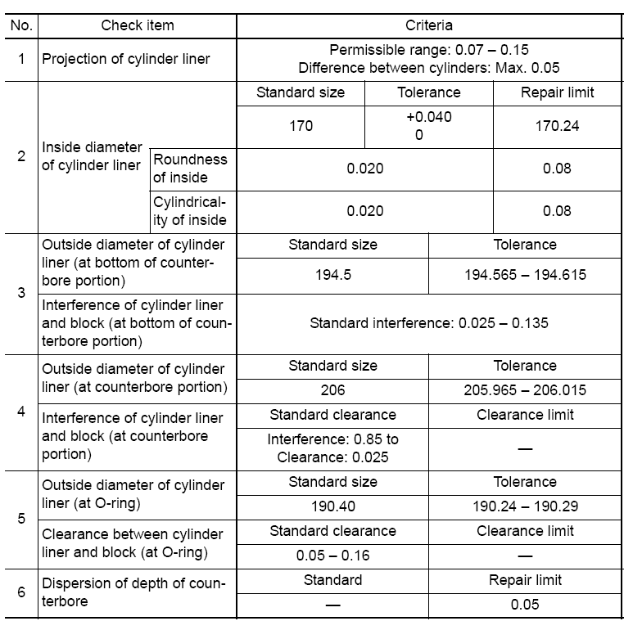

CYLINDER BLOCK MEASURING
INSPECTION CHECKSHEET

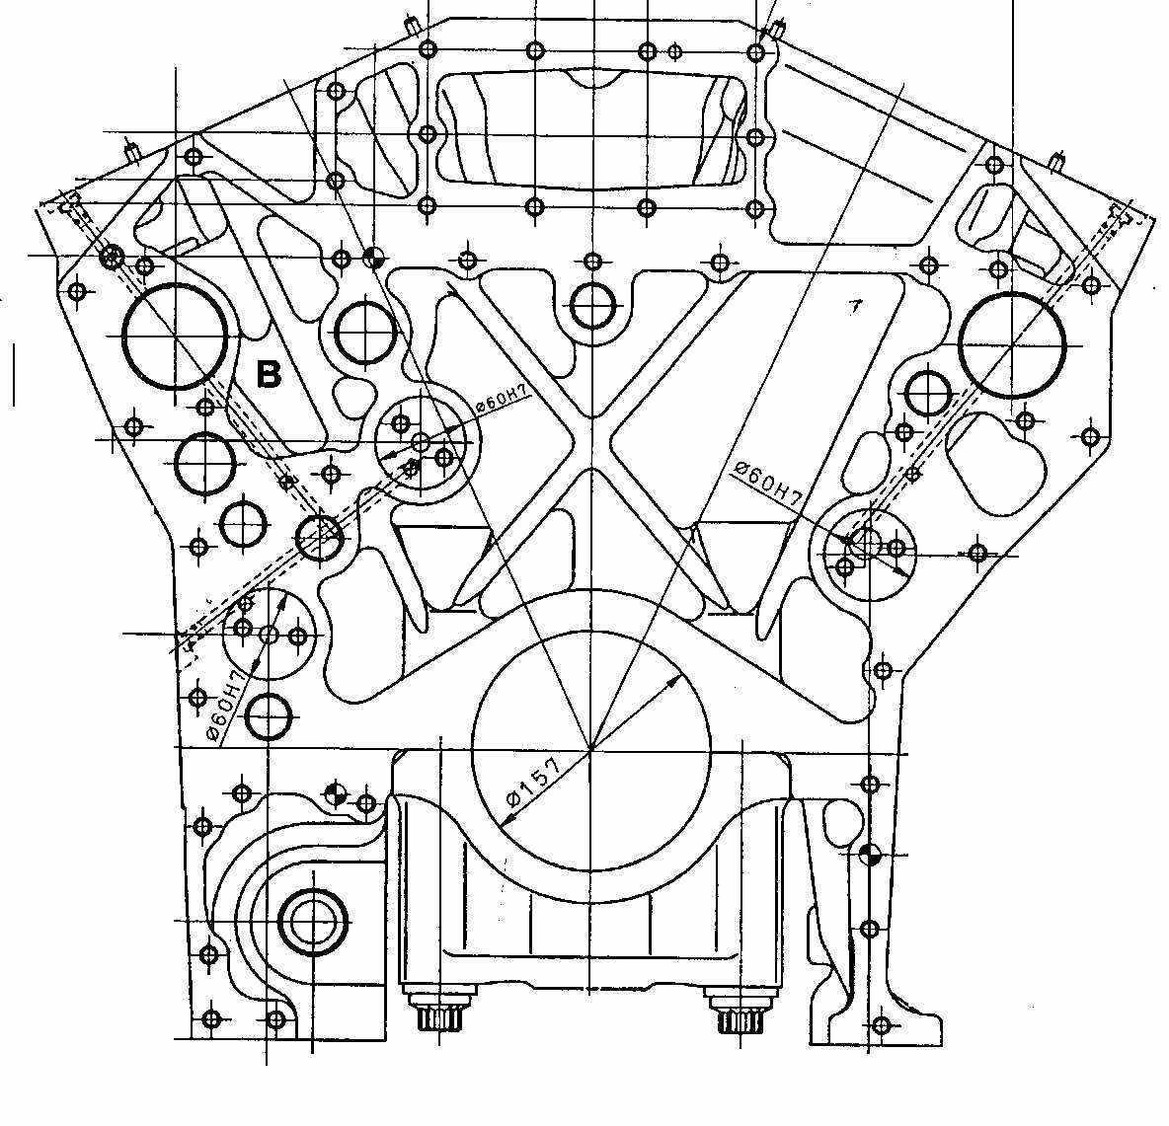
 | JOB NUMBER |  |  |  |  |  |  |  |  |  |  | PART NAME |  |  |  |  | CYLINDER BLOCK |  |  |  | DOCUMENT NO. |  |  |  |  | RC/QR03/EG/01/03
 | ENGINE MODEL |  |  |  | 6D170E-5 |  |  |  |  |  |  | PART NUMBER |  |  |  |  |  |  |  |  | PUBL. DATE |  |  |  |  | 15-05-2018
 | ENGINE SER.NO. |  |  |  |  |  |  |  |  |  |  | START.DATE / TIME |  |  |  |  |  |  |  |  | REVISION NO. |  |  |  |  | 05
 | MACHINE MODEL |  |  |  |  |  |  |  |  |  |  | FINISH DATE / TIME |  |  |  |  |  |  |  |  | PAGE

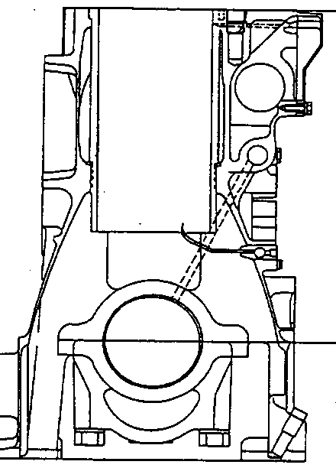
 | SKETCH DRAWING |  |  |  |  |  |  |  |  |  |  |  |  |  | MACHINIST NAME |  |  |  | Cyl. Block Inspection
 |  |  |  |  |  |  |  |  |  |  |  |  |  |  |  |  |  |  | Machining Process
D
C
B
 |  |  |  |  |  |  |  |  |  |  |  |  |  |  | Standard Size |  |  |  |  |  |  |  |  |  |  |  | Unit : mm
 |  |  |  |  |  |  |  |  |  |  |  |  |  |  | DESCRIPTION |  |  |  |  |  |  | STANDARD SIZE
 |  |  |  |  |  |  |  |  |  |  |  |  |  |  | A | MAIN BEARING BORE |  |  |  |  |  | 147.999 ~ 148.025
 |  |  |  |  |  |  |  |  |  |  |  |  |  |  | B | CYLINDER BLOCK HEIGHT |  |  |  |  |  | 488.960 ~ 489.040
 |  |  |  |  |  |  |  |  |  |  |  |  |  |  |  | USE OVER SIZE GASKET |  |  |  |  |  | 488.560 ~ 488.960
 |  |  |  |  |  |  |  |  |  |  |  |  |  |  | C | COUNTER BORE DEPTH |  |  |  |  |  | 14.000 ~ 14.050
C
 |  |  |  |  |  |  |  |  |  |  |  |  |  |  | D | INSIDE DIAMETER(AT O-RING LAND) |  |  |  |  |  | 190.290 ~ 190.560
 |  |  |  |  |  |  |  |  |  |  |  |  |  |  | E | INSIDE DIAMETER(AT FLANGE SEAT) |  |  |  |  |  | 205.150 ~ 206.025
 |  |  |  |  |  |  |  |  |  |  |  |  |  |  | F | INSIDE DIAMETER (AT COUNTERBORE PORTION) |  |  |  |  |  | 194.430 ~ 194.590

E
A
F
 |  |  |  |  |  |  |  |  |  |  |  |  |  |  | TIGHTENING TORQUE OF MAIN BEARING CAP |  |  |  |  |  |  |  | 1st step = |  |  |  | 27.5 ~ 30.5 Kgm
 |  |  |  |  |  |  |  |  |  |  |  |  |  |  |  |  |  |  |  |  |  |  | 2ND step = |  |  |  | 57.0 ~ 59.0
 |  |  |  |  |  |  |  |  |  |  |  |  |  |  |  |  |  |  |  |  |  |  | 3RD step = |  |  |  | 90° ~ 120°


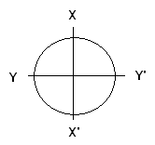
 |  |  |  |  |  |  |  |  |  |  |  |  |  |  | VISUAL CHECK |  |  |  |  |  |  | OK |  |  |  |  | Not OK
 |  |  |  |  |  |  |  |  |  |  |  |  |  |  | CRACK HAS BEEN CHECKED

 |  |  |  |  |  |  |  |  |  |  |  |  |  |  | MANHOURS UTILIZATION
 |  |  |  |  |  |  |  |  |  |  |  |  |  |  |  |  |  |  | START |  |  | FINISH |  |  |  |  | MAN HOURS
 |  |  |  |  |  |  |  |  |  |  |  |  |  |  | Measuring Process
 |  |  |  |  |  |  |  |  |  |  |  |  |  |  | TOTAL

: GOOD CONDITION
X : BAD CONDITION
 | INSPECTION SALVAGE PROCESS BY MACHINIST |  |  |  |  |  |  |  |  |  |  |  |  |  |  |  | RESULT :
 | MAIN BEARING BORE
 | A |  | Main Bore No. |  | X - X' |  |  |  |  |  |  |  |  |  | Y - Y' |  |  |  |  |  |  | Z - Z'
 |  |  | 1 | A
 |  |  |  | B
 |  |  | 2 | A
 |  |  |  | B
 |  |  | 3 | A
 |  |  |  | B
 |  |  | 4 | A
 |  |  |  | B
 |  |  | 5 | A
 |  |  |  | B
 |  |  | 6 | A
 |  |  |  | B
 |  |  | 7 | A
 |  |  |  | B

 |  | C | COUNTER BORE DEPTH |  |  |  |  |  |  | 14.000 ~ 14.050
 |  | D | INSIDE DIAMETER (AT O-RING LAND) |  |  |  |  |  |  | 190.290 ~ 190.560
 | COUNTER BORE DEPHT
 | C |  | BEFORE MACHINING
 |  |  | Cyl | X |  |  |  |  |  |  | X' |  |  |  |  |  |  | Y |  |  |  |  | Y'
 |  |  |  | MECH |  |  | QA |  | GL |  | MECH |  | QA |  |  | GL |  | MECH |  | QA | GL |  | MECH |  |  |  | QA |  | GL
 |  |  | 1
 |  |  | 2
 |  |  | 3
 |  |  | 4
 |  |  | 5
 |  |  | 6
 |  |  | AFTER MACHINING
 |  |  | Cyl | X |  |  |  |  |  |  | X' |  |  |  |  |  |  | Y |  |  |  |  | Y'
 |  |  |  | MECH |  |  | QA |  | GL |  | MECH |  | QA |  |  | GL |  | MECH |  | QA | GL |  | MECH |  |  |  | QA |  | GL
 |  |  | 1
 |  |  | 2
 |  |  | 3
 |  |  | 4
 |  |  | 5
 |  |  | 6

 | INSIDE DIAMETER (AT O-RING LAND)
 | D |  | Cyl. | No. | MECH |  |  |  |  |  |  |  |  | QA/GL |  |  |  | Cyl. | No. | MECH |  |  |  |  |  |  |  | QA/GL
 |  |  |  |  | X |  |  |  |  | Y |  |  |  |  |  |  |  |  |  | X |  |  | Y
 |  |  |  | 1 |  |  |  |  |  |  |  |  |  |  |  |  |  |  | 4
 |  |  |  | 2 |  |  |  |  |  |  |  |  |  |  |  |  |  |  | 5
 |  |  |  | 3 |  |  |  |  |  |  |  |  |  |  |  |  |  |  | 6

 | CYLINDER BLOCK (AT FLANGE SEAT)


E
F
Cylinder Liner
Cylinder
block
E
F
 |  |  |  |  |  |  |  |  |  |  |  |  |  |  | E | INSIDE DIAMETER (AT FLANGE SEAT) |  |  |  |  |  | 205.150 ~ 206.025
 |  |  |  |  |  |  |  |  |  |  |  |  |  |  | F | INSIDE DIAMETER (AT COUNTERBORE PORTION) |  |  |  |  |  | 194.430 ~ 194.590

 |  |  |  |  |  |  |  |  |  |  |  |  |  |  | Note :

 | INSIDE DIAMETER (AT FLANGE SEAT)
 |  |  |  |  |  | X - X' |  |  |  |  |  |  |  |  |  |  |  |  | Y - Y'
 | E |  |  |  |  | Cyl |  | CHECK |  |  |  |  |  |  |  |  |  |  | Cyl | CHECK
 |  |  |  |  |  |  |  | MEC |  |  | QA/GL |  | SPV |  |  |  |  |  |  | MEC |  | QA/GL |  |  | SPV
 |  |  |  |  |  | 1 |  |  |  |  |  |  |  |  |  |  |  |  | 1
 |  |  |  |  |  | 2 |  |  |  |  |  |  |  |  |  |  |  |  | 2
 |  |  |  |  |  | 3 |  |  |  |  |  |  |  |  |  |  |  |  | 3
 |  |  |  |  |  | 4 |  |  |  |  |  |  |  |  |  |  |  |  | 4
 |  |  |  |  |  | 5 |  |  |  |  |  |  |  |  |  |  |  |  | 5
 |  |  |  |  |  | 6 |  |  |  |  |  |  |  |  |  |  |  |  | 6
 | INSIDE DIAMETER (AT COUNTERBORE PORTION)
 |  |  |  |  |  | X - X' |  |  |  |  |  |  |  |  |  |  |  |  | Y - Y'
 | F |  |  |  |  | Cyl |  | CHECK |  |  |  |  |  |  |  |  |  |  | Cyl | CHECK
 |  |  |  |  |  |  |  | MEC |  |  | QA |  | SPV |  |  |  |  |  |  | MEC |  | QA |  |  | SPV
 |  |  |  |  |  | 1 |  |  |  |  |  |  |  |  |  |  |  |  | 1
 |  |  |  |  |  | 2 |  |  |  |  |  |  |  |  |  |  |  |  | 2
 |  |  |  |  |  | 3 |  |  |  |  |  |  |  |  |  |  |  |  | 3
 |  |  |  |  |  | 4 |  |  |  |  |  |  |  |  |  |  |  |  | 4
 |  |  |  |  |  | 5 |  |  |  |  |  |  |  |  |  |  |  |  | 5
 |  |  |  |  |  | 6 |  |  |  |  |  |  |  |  |  |  |  |  | 6

THICKNESS BETWEEN BLOCK AND STRAIGHT EDGE
 | CYLINDER |  |  | A - A' |  |  |  | B - B' |  |  | C - C' |  | D - D' |  |  |  | E - E' |  | F - F'
 | 1
 | 2
 | 3
 | 4
 | 5
 | 6

 | INSPECTION RESULT :

 |  |  | INSPECTION BY : |  |  |  |  |  |  |  |  |  |  |  |  |  |  |  | INSPECTION & APPROVAL BY

 |  | MECHANIC(MEC) |  |  |  |  |  |  |  |  |  |  |  | QUALITY ASSURANCE (QA) |  |  |  |  |  |  |  |  |  | GL/SPV PRODUCTION

CYL LINER
PT SAPTAINDRA SEJATI
PLANT REBUILD CENTER

CYLINDER LINER
MEASUREMENT CHECK SHEET

WO NUMBER |  |  |  |  |  | PART NAME |  |  |  |  |  |  | DOCUMENT NO.
ENGINE MODEL |  |  | 6D170-1,-2,-3,-5 |  |  | PART NUMBER |  |  |  |  |  |  | PUBL. DATE |  |  | 27/10/2009
ENGINE SER.NO. |  |  |  |  |  | START DATE / TIME |  |  |  |  |  |  | REVISION NO. |  |  | 00
MACHINE MODEL |  |  |  |  |  | FINISH DATE / TIME |  |  |  |  |  |  | PAGE |  |  | 1 of 1

CYLINDER LINER STATUS |  |  |  |  |  |  |  |  |  |  | MECHANIC NAME
 | REPLACE NEW |  |  |  |  | REUSED
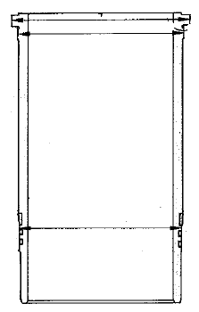
3
X
Y
X`
Y`
4
TOP
1
 |  |  |  |  |  |  |  |  | No | Check Point |  | Standard |  |  | Repair Limit
 |  |  |  |  |  |  |  |  | 1 | Inner Diameter Ø |  | 170 ~ 170.04 |  |  | 170.24
 |  |  |  |  |  |  |  |  |  | Roundness of Cylinder Liner |  | - |  |  | 0.02
MIDDLE
 |  |  |  |  |  |  |  |  |  | Cylindricity of Cylinder Liner |  | - |  |  | 0.015
 |  |  |  |  |  |  |  |  | 2 | Outsite Diameter (O-Ring)Ø |  | 190.24 |  |  | -
LOWER
 |  |  |  |  |  |  |  |  | 3 | Outsite Diameter (Counter bore) Ø |  | 205.99 |  |  | -
 |  |  |  |  |  |  |  |  | 4 | Outsite Diameter (Counter bore lower) Ø |  | 194.59 |  |  | -
2
 |  |  |  |  |  |  |  |  |  | Visual |  | - No scratch |  |  | -
 |  |  |  |  |  |  |  |  |  |  |  | - No pitting
 |  |  |  |  |  |  |  |  |  | Hones |  | Available good |  |  | -

 |  |  |  |  |  |  |  |  |  | Visual Check : |  | √ = Good |  |  |  | X = No Good
CHECK POINT |  |  |  | POSITION |  |  |  | INSPECTION |  |  |  |  | COMMENT
 |  |  |  |  |  |  |  | MAC |  |  | QA INSP/ GL
Inner Diameter |  |  |  | TOP | X
 |  |  |  |  | Y
 |  |  |  | MIDDLE | X
 |  |  |  |  | Y
 |  |  |  | LOWER | X
 |  |  |  |  | Y
Roundness
Cylindricity
Outsite Diameter of Cylinder Liner (O-Ring) |  |  |  |  | X
 |  |  |  |  | Y
Outsite Diameter of Cylinder Liner (Counter bore part) |  |  |  |  | X
 |  |  |  |  | Y
Outsite Diameter of Cylinder Liner (Counter bore lower part) |  |  |  |  | X
 |  |  |  |  | Y
Visual
Hones

INSPECTION RESULT :

 |  | INSPECTION |  |  |  |  |  |  |  |  | INSPECTION & APPROVED BY

 |  |  | MECHANIC |  |  |  | QUALITY ASSURANCE (QA) |  |  |  |  |  |  | PROD. GL / SPV

PIN PISTON
PT SAPTAINDRA SEJATI
PLANT REBUILD CENTER

 | PISTON PIN MEASURING
 | AND POLISHING CHECK SHEET

 | WO NUMBER |  |  |  |  | PART NAME |  |  |  | PISTON PIN |  |  |  | DOCUMENT NO.
 | ENGINE MODEL |  |  | 6D170-5 |  | PART NUMBER |  |  |  |  |  |  |  | PUBL. DATE |  | 07/07/2010
 | ENGINE S/N |  |  |  |  | START DATE / TIME |  |  |  |  |  |  |  | REVISION NO. |  | 00
 | MACHINE MODEL |  |  |  |  | FINISH DATE / TIME |  |  |  |  |  |  |  | PAGE |  | 1 of 1

. | MACHINIST NAME

 | MAN HOURS UTILIZATION
 | PROCESS |  |  | START |  |  | FINISH |  |  | MAN HOURS
 | Machining
 | Measuring
 | TOTAL

 | STANDARD (unit mm) |  |  |  |  |  | Clearance limit |  |  |  |  |  | QUANTITY
 | 6D170E-3 = Ø 67.980 - 67.974 |  |  |  |  |  | 0.11
 | 6D170E-5 = Ø 68.000 - 67.994 |  |  |  |  |  | 0.11

 | INSPECTION MEASURING PROCESS
 | CYL.NO. |  | CHECK |  | 1 |  |  |  | 2 |  |  |  | 3 |  |  |  | Clearance actual
 |  |  | POSITION |  | MAC | QA |  | SPV | MAC |  | QA | SPV | MAC |  | QA | SPV
 | 1 |  | X - X'
 |  |  | Y - Y'
 | 2 |  | X - X'
 |  |  | Y - Y'
 | 3 |  | X - X'
 |  |  | Y - Y'
 | 4 |  | X - X'
 |  |  | Y - Y'
 | 5 |  | X - X'
 |  |  | Y - Y'
 | 6 |  | X - X'
 |  |  | Y - Y'

 | MECHANIC INSPECTION COMMENT :

 |  | INSPECTION BY : |  |  |  |  |  | INSPECTION & APPROVED BY :

 |  | MECHANIC (MECH) |  |  |  |  |  | QUALITY ASSURANCE (QA) |  |  |  |  |  |  | PROD. SUPERVISOR (SPV)

